Year 2025
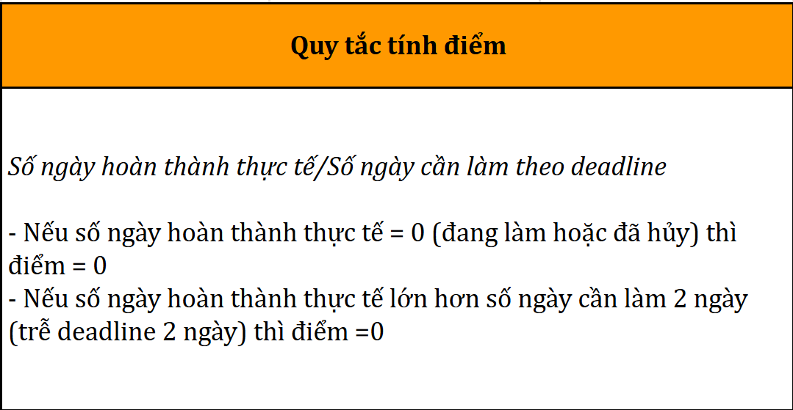
HUMAN RESOURCES WORK PROGRESS TRACKING SHEET |  |  | YEAR 2025
No. | CATEGORY | DETAILED CONTENT | START DATE | DEADLINE | PIC | JANUARY SCORE | FEBRUARY SCORE | MARCH SCORE | APRIL SCORE | MAY SCORE | JUNE SCORE | JULY SCORE | AUGUST SCORE | SEPTEMBER SCORE | OCTOBER SCORE | NOVEMBER SCORE | DECEMBER SCORE | NOTES
JANUARY 2025
1 | Large-scale recruitment | Implement a cross-department recruitment plan for January 2025 | 03/01/2025 | 09/01/2025 | Employee 1 | 1.00 |  |  |  |  |  |  |  |  |  |  |  | Extend deadline to 09/01/2025
2 | Recruitment support | Post job ads on at least 10 platforms and 20 groups | 09/01/2025 | 10/01/2025 | Employee 1 | 0.80
3 | Recruitment support | Review and classify newly received applicant profiles | 10/01/2025 | 12/01/2025 | Employee 1 | 0.00
4 | Recruitment support | Prepare interview invitation letters using the company’s standard template | 10/01/2025 | 12/01/2025 | Employee 1 | 0.00
5 | Human resources processes | Standardize or update human resources department workflows | 03/01/2025 | 09/01/2025 | Employee 2 | 1.00
6 | Employee records management | Update the current employee list and verify personal information and employment status | 10/01/2025 | 12/01/2025 | Employee 2 | 0.00
7 | Timekeeping & working hours tracking | Consolidate weekly timesheets from departments | 11/01/2025 | 12/01/2025 | Employee 3 | 0.00
8 | HR administration | Draft and send internal announcements as requested by management | 03/01/2025 | 04/01/2025 | Employee 1 | 0.00 |  |  |  |  |  |  |  |  |  |  |  | Manager drafts announcements independently
9 | Payroll & compensation management | Compile payroll, bonus, and allowance data for employees for December 2024 | 03/01/2025 | 09/01/2025 | Employee 1 | 1.00
10 | Create onboarding training slides | Develop ideas and complete onboarding training slide deck for new employees | 03/01/2025 | 05/01/2025 | Employee 3 | 0.60
11 | Update employee data | Update employee records for changes in accounts, positions, and contracts in Q1 2025 | 03/01/2025 | 04/01/2025 | Employee 1 | 1.00

January 2025
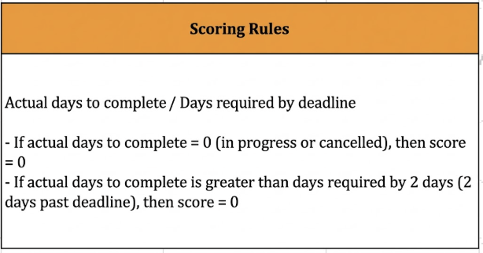
HUMAN RESOURCES WORK PROGRESS TRACKING SHEET |  |  | JANUARY 2025
No. | CATEGORY | DETAILED CONTENT | START DATE | DEADLINE | COMPLETION DATE | PIC | DELAY (DAYS) | ACTUAL COMPLETION DAYS | ACTUAL PROGRESS | STATUS | SCORE | WORK QUALITY | OVERALL EVALUATION | NOTES
1 | Large-scale recruitment | Implement a cross-department recruitment plan for January 2025 | 03/01/2025 | 09/01/2025 | 09/01/2025 | Employee 1 | 5.5 | 5.5 | 100% | Completed | 1.00 | Outstanding | Outstanding | Extend deadline to 09/01/2025
2 | Recruitment support | Post job ads on at least 10 platforms and 20 groups | 09/01/2025 | 10/01/2025 | 11/01/2025 | Employee 1 | 2 | 2.5 | 100% | Completed late | 0.80 | Meets expectations | Below expectations
3 | Recruitment support | Review and classify newly received applicant profiles | 10/01/2025 | 12/01/2025 | Not started | Employee 1 | 1.5 | 0 | 20% | Not started | 0.00
4 | Recruitment support | Prepare interview invitation letters using the company’s standard template | 10/01/2025 | 12/01/2025 | Not started | Employee 1 | 1.5 | 0 | 0% | In progress | 0.00
5 | Human resources processes | Standardize or update human resources department workflows | 03/01/2025 | 09/01/2025 | 08/01/2025 | Employee 2 | 5.5 | 4.5 | 70% | Pending approval | 1.00
6 | Employee records management | Update the current employee list and verify personal information and employment status | 10/01/2025 | 12/01/2025 | Not started | Employee 2 | 1.5 | 0 | 40% | In progress | 0.00
7 | Timekeeping & working hours tracking | Consolidate weekly timesheets from departments | 11/01/2025 | 12/01/2025 | Not started | Employee 3 | 0.5 | 0 | 40% | In progress | 0.00
8 | HR administration | Draft and send internal announcements as requested by management | 03/01/2025 | 04/01/2025 | Cancelled | Employee 1 | 1.5 | 0 | 10% | Cancelled | 0.00 |  |  | Manager drafts announcements independently
9 | Payroll & compensation management | Compile payroll, bonus, and allowance data for employees for December 2024 | 03/01/2025 | 09/01/2025 | 08/01/2025 | Employee 1 | 5.5 | 4.5 | 100% | Completed | 1.00 | Meets expectations | Outstanding
10 | Create onboarding training slides | Develop ideas and complete onboarding training slide deck for new employees | 03/01/2025 | 05/01/2025 | 06/01/2025 | Employee 3 | 1.5 | 2.5 | 100% | Completed late | 0.60 | Meets expectations | Below expectations
11 | Update employee data | Update employee records for changes in accounts, positions, and contracts in Q1 2025 | 03/01/2025 | 04/01/2025 | 04/01/2025 | Employee 1 | 1.5 | 1.5 | 100% | Completed | 1.00 | Outstanding | Meets expectations
12
13
 |  |  |  |  |  |  |  |  |  | TOTAL SCORE | 5.40

February 2025
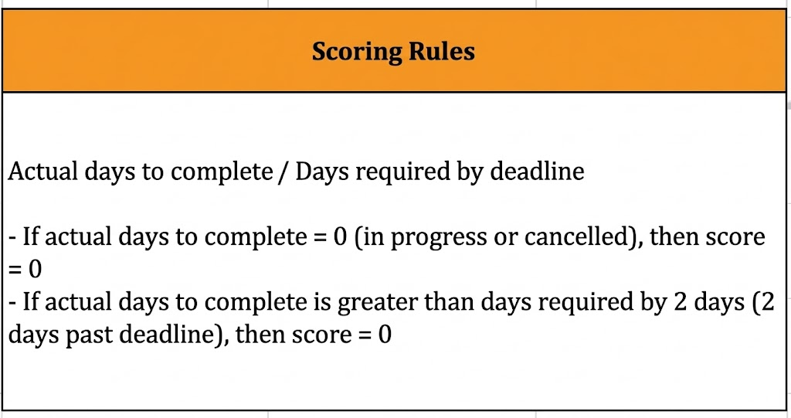
HUMAN RESOURCES WORK PROGRESS TRACKING SHEET |  |  | FEBRUARY 2025
No. | CATEGORY | DETAILED CONTENT | START DATE | DEADLINE | COMPLETION DATE | PIC | DELAY (DAYS) | ACTUAL COMPLETION DAYS | ACTUAL PROGRESS | STATUS | SCORE | WORK QUALITY | OVERALL EVALUATION | NOTES
1 | Large-scale recruitment | Implement a cross-department recruitment plan for January 2025 | 03/02/2025 | 09/02/2025 | 09/02/2025 | Employee 1 | 5.5 | 5.5 | 100% | Completed | 1.00 | Outstanding | Outstanding | Extend deadline to 09/01/2025
2 | Recruitment support | Post job ads on at least 10 platforms and 20 groups | 09/02/2025 | 10/02/2025 | 11/02/2025 | Employee 1 | 2 | 3 | 100% | Completed late | 0.67 | Meets expectations | Below expectations
3 | Recruitment support | Review and classify newly received applicant profiles | 10/02/2025 | 12/02/2025 | Not started | Employee 1 | 3 | 0 | 20% | Not started | 0.00
4 | Recruitment support | Prepare interview invitation letters using the company’s standard template | 10/02/2025 | 12/02/2025 | Not started | Employee 1 | 3 | 0 | 0% | In progress | 0.00
5 | Human resources processes | Standardize or update human resources department workflows | 03/02/2025 | 09/02/2025 | 08/02/2025 | Employee 2 | 5.5 | 5.5 | 70% | Pending approval | 1.00
6 | Employee records management | Update the current employee list and verify personal information and employment status | 10/02/2025 | 12/02/2025 | Not started | Employee 2 | 3 | 0 | 40% | In progress | 0.00
7 | Timekeeping & working hours tracking | Consolidate weekly timesheets from departments | 11/02/2025 | 12/02/2025 | Not started | Employee 3 | 2 | 0 | 40% | In progress | 0.00
8 | HR administration | Draft and send internal announcements as requested by management | 03/02/2025 | 04/02/2025 | Cancelled | Employee 1 | 2 | 0 | 10% | Cancelled | 0.00 |  |  | Manager drafts announcements independently
9 | Payroll & compensation management | Compile payroll, bonus, and allowance data for employees for December 2024 | 03/02/2025 | 09/02/2025 | 08/02/2025 | Employee 1 | 5.5 | 5.5 | 100% | Completed | 1.00 | Meets expectations | Outstanding
10 | Create onboarding training slides | Develop ideas and complete onboarding training slide deck for new employees | 03/02/2025 | 05/02/2025 | 06/02/2025 | Employee 3 | 3 | 4 | 100% | Completed late | 0.75 | Meets expectations | Below expectations
11 | Update employee data | Update employee records for changes in accounts, positions, and contracts in Q1 2025 | 03/02/2025 | 04/02/2025 | 04/02/2025 | Employee 1 | 2 | 2 | 100% | Completed | 1.00 | Outstanding | Meets expectations
12
13
 |  |  |  |  |  |  |  |  |  | TOTAL SCORE | 5.42

